PROJECT SETUP
 |  | PROJECT NAME:

 |  | SHIPPING ADDRESS:

 |  | P.O.#: |  | UNIT#: |  | UNIT TYPE (2BR, etc.):

 |  | SALES REP: |  |  | EMAIL:

PROJECT SETUP |  | DUAL COLOR: | YES | NO | IF YES, UPPER: | LOWER:

 |  | MRO: | REHAB: | PO AMOUNT: |  | LPS ACCOUNT#:

 | EMAIL COMPLETED FORM AND APPROVED QUOTE AMOUNT: LPSORDERS@QWIKKIT.COM

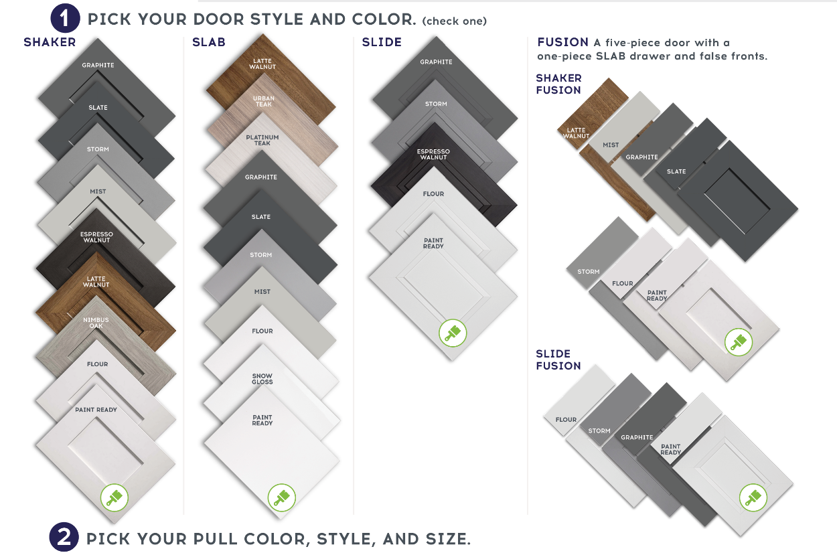

FREE PRE-DRILLING FOR
HARDWARE: Yes No

